Sheet1
Show and Tell Dolls Order Form 2021
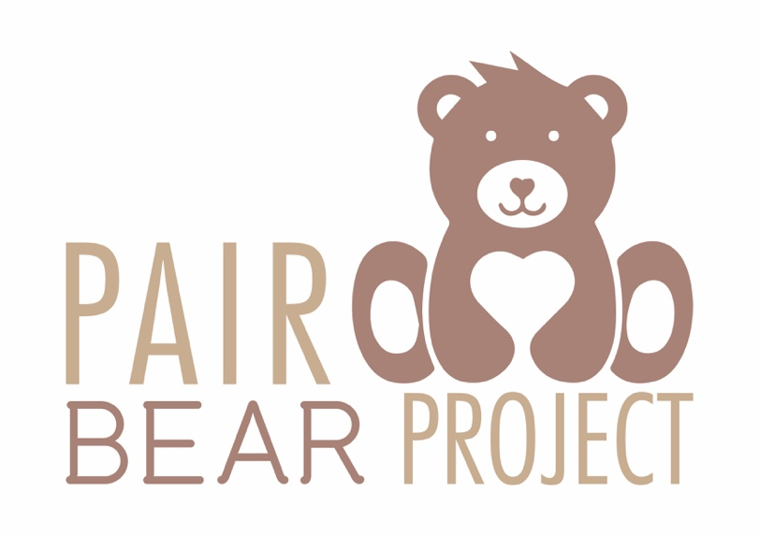

 | Item | Amount | Price
 | Grandfather Doll |  | 650 | 0
 | Grandmother Doll |  | 650 | 0
 | Mom Doll |  | 650 | 0
 | Dad Doll |  | 650 | 0
 | Girl Doll |  | 650 | 0
 | Boy Doll |  | 650 | 0
 | Extra clothing: Dress |  | 150 | 0
 | Extra clothing: Skirt |  | 80 | 0
 | Extra clothing: Blouse |  | 70 | 0
 | Extra clothing: Shirt |  | 70 | 0
 | Extra clothing: Underpants |  | 30 | 0
 | Extra Clothing: Panties |  | 30 | 0
 | Extra Clothing: Bra |  | 45 | 0
 | TOTAL |  |  | 0

What type of outfit would you like? Please describe the colour/style and provide examples.
Each doll is custom made with shoes, a shirt and pants/ dress/ blouse and skirt and panties and a bra/underpants.

The team at Pair Bear Project will contact you for product specifications once they have received your order form.
For any queries or specifications, please contact hello@pairbearproject.co.za or call 081 413 1295.

Please submit this form to hello@pairbearproject.co.za.

